S1
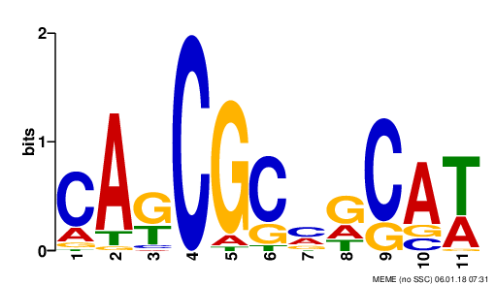
 |  |  |  |  |  |  |  | T!@#$%^&
 |  |  |  |  |  |  |  | GGGGGGGGGGGGGGGGGGG

A | T | G | C | C | C | C | C | C | C | T
G | G | G | A

A | T
1 | 645
2 | 34
3 | 53425
4 | 23
63 | 42
6 | 36
7 | 45
8 | 765
9 | 478
20 | 567

